Cover Page
Supplementary Financial Information
Fourth Quarter 2008

Supplementary Financial Information
Fourth Quarter 2023
Q4

BCE Investor Relations
Thane Fotopoulos
514-870-4619
thane.fotopoulos@bell.ca

Accomp Notes p14
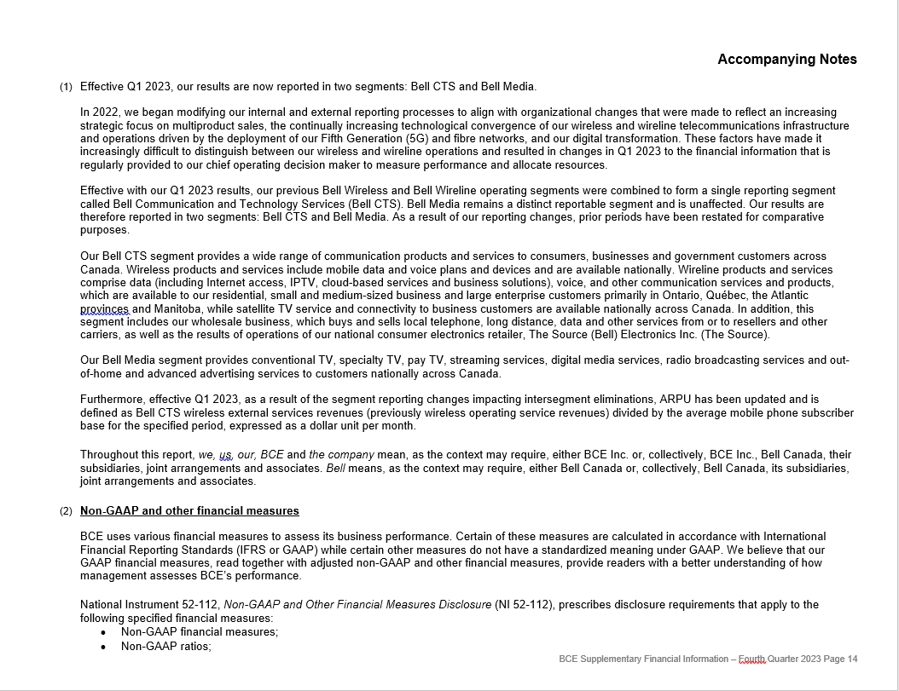

Accomp Notes p15
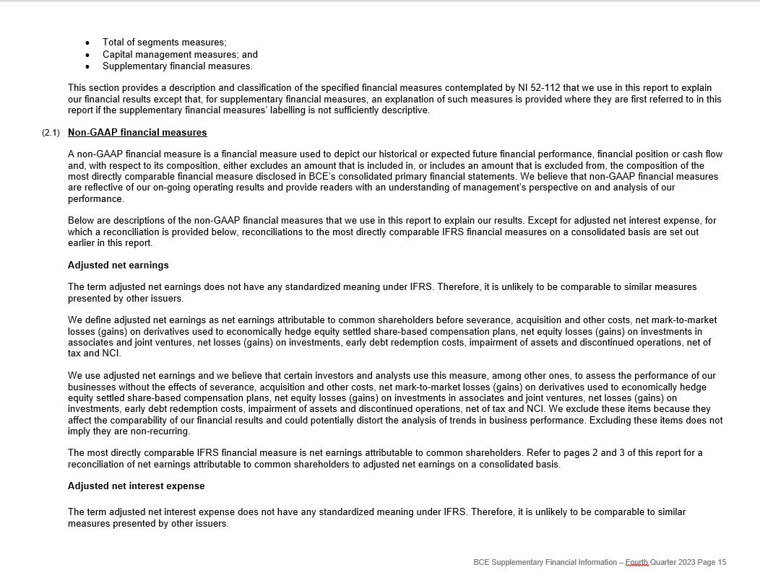

Accomp Notes p16
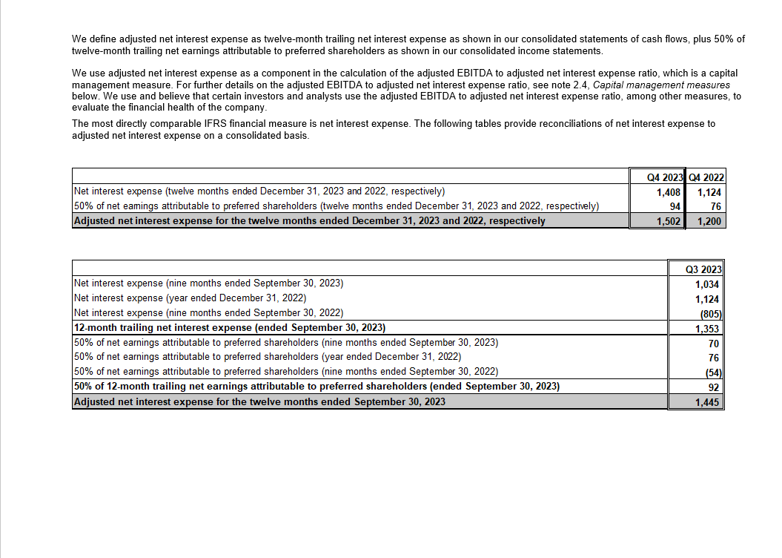

Accomp Notes p17
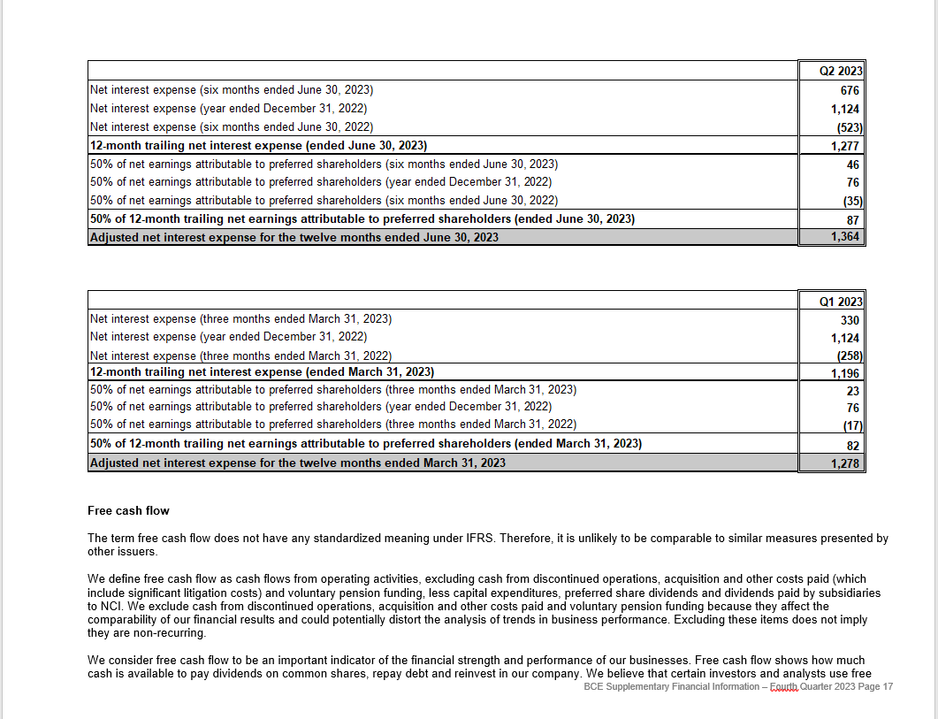

Accomp Notes p18
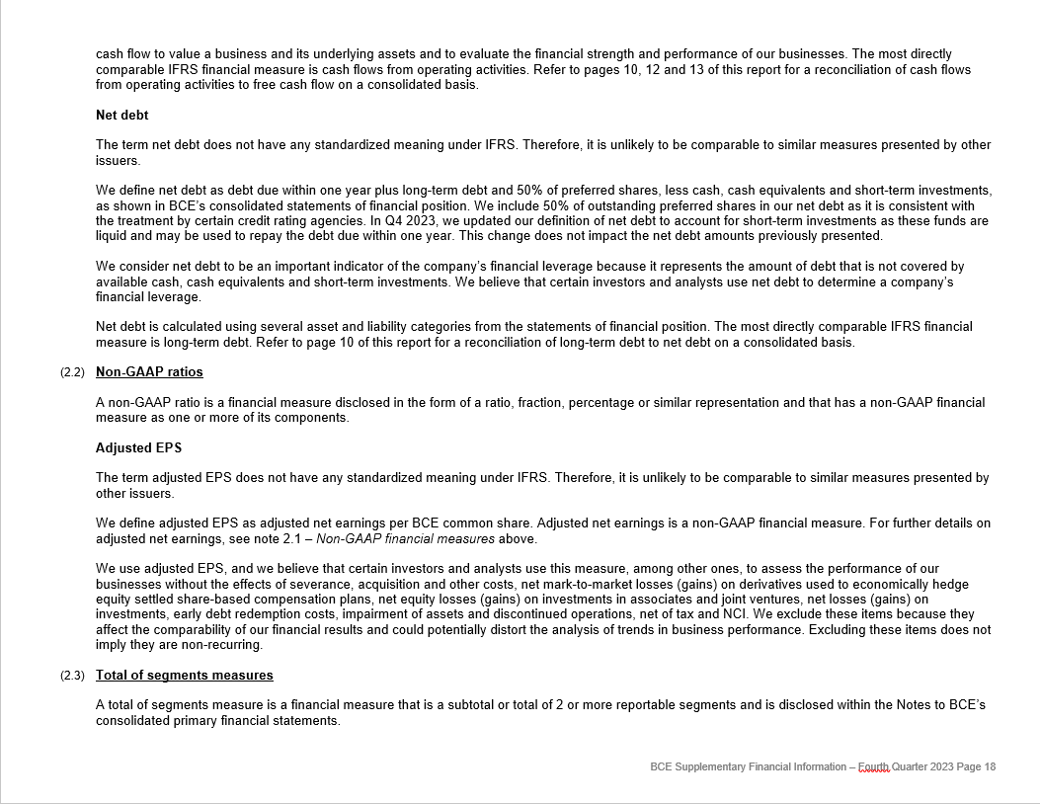

Accomp Notes p19
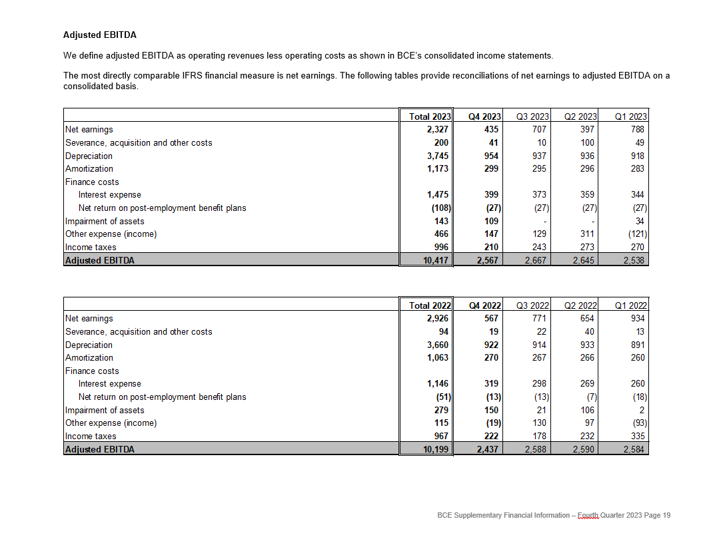

Accomp Notes p20
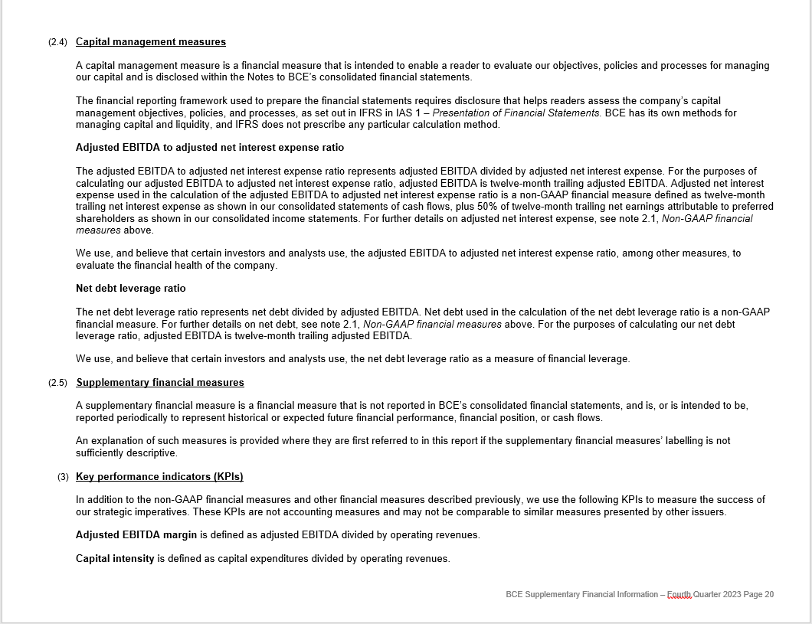

Accompt Notes p21
